Q1
Trends of 13 Weeks
Row Labels | Sum of Amount | Sum of Quantity
1 | 32413.3 | 546
2 | 49563 | 905
3 | 41700.4 | 796
4 | 46782.6 | 913
5 | 42676.1 | 844
6 | 62910.7 | 1202
7 | 50332.2 | 935
8 | 58760.6 | 1128
9 | 52017.3 | 1007
10 | 64915.7 | 1128
11 | 45943.8 | 861
12 | 55077.9 | 944
13 | 45926.2 | 788
Grand Total | 649019.8 | 11997

Q3
Many They buy
Row Labels | Count of TX ID
1 | 397
2 | 540
3 | 375
4 | 246
5 | 195
Oreder 6 to 10 | 414
More than 10 | 233
Grand Total | 2400

Q4
Popular Products
Row Labels | Sum of Quantity
T-Shirts | 1645
Jeans | 1546
Sneakers | 1186
Tank Tops | 912
Bikinis | 807
Shorts | 745
Sundresses | 700
Graphic Tees | 647
Hoodies & Sweatshirts | 606
Sandals | 603
Crop Tops | 437
Leggings | 398
Casual Dresses | 370
Workout Tops | 272
Pajama Sets | 270
Maxi Dresses | 258
Sunglasses | 195
Tote Bags | 188
Baseball Caps | 147
Jewelry | 65
Grand Total | 11997

Q5
Overall GENDER SPLIT
Row Labels | Sum of Amount
Female | 52%
Male | 37%
Others | 3%
Unknown | 8%
Grand Total | 100.00%

Q7
Take to Ship the Order
Row Labels | Count of TX ID
0 | 175
1 | 888
2 | 538
3 | 344
4 | 200
5 | 94
6 | 51
7 | 32
8 | 23
9 | 9
10 | 8
11 | 11
12 | 4
13 | 10
14 | 13
Grand Total | 2400

Q8
Customer Happy in Order
Count of TX ID | Column Labels
Row Labels | 1 | 2 | 3 | 4 | 5 | Grand Total
Female | 15 | 62 | 247 | 546 | 361 | 1231
Male | 4 | 55 | 190 | 413 | 297 | 959
Others | 1 | 5 | 21 | 28 | 20 | 75
Unknown | 1 | 5 | 37 | 49 | 43 | 135
Grand Total | 21 | 127 | 495 | 1036 | 721 | 2400

DB
Total Orders
E- COMMERCE SAMPLE DASHBOARD

2400
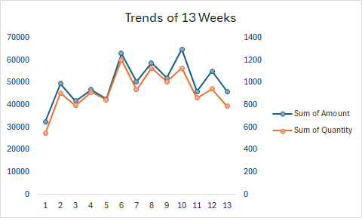
Many They buy
 | Total
1 | 397
2 | 540
3 | 375
4 | 246
5 | 195
Oreder 6 to 10 | 414
More than 10 | 233
Customer Happy in Order
 | 1 | 2 | 3 | 4 | 5
Female | 15 | 62 | 247 | 546 | 361
Male | 4 | 55 | 190 | 413 | 297
Others | 1 | 5 | 21 | 28 | 20
Unknown | 1 | 5 | 37 | 49 | 43
Total Quantity

11997

Total Amount

₹ 6,49,019.80

Avg.Rating

4

Avg.Days to Deliver
Popular Products
 | Total
T-Shirts | 1645
Jeans | 1546
Sneakers | 1186
Tank Tops | 912
Bikinis | 807
Shorts | 745
Sundresses | 700
Graphic Tees | 647
Hoodies & Sweatshirts | 606
Sandals | 603
Crop Tops | 437
Leggings | 398
Casual Dresses | 370
Workout Tops | 272
Pajama Sets | 270
Maxi Dresses | 258
Sunglasses | 195
Tote Bags | 188
Baseball Caps | 147
Jewelry | 65
Take to Ship the Order
 | Total
0 | 175
1 | 888
2 | 538
3 | 344
4 | 200
5 | 94
6 | 51
7 | 32
8 | 23
9 | 9
10 | 8
11 | 11
12 | 4
13 | 10
14 | 13
2

Overall GENDER SPLIT
 | Total
Female | 52%
Male | 37%
Others | 3%
Unknown | 8%

